Sheet1
Clustering of larvae with different amounts of worker ants
 | av-dist-cent-small | av-dist-cent-medium | av-dist-cent-large | av-dist-cent-prepupae | av-dist-cent-pupae
Weight | 0.40522 | 2.62807 | 7.41487 | 5.92974 | 5.832
nr_ants
20 | 4.4492815461 | 6.1145524257 | 3.1253667691 | 2.3497052698 | 4.2546693396
20 | 3.8158474288 | 6.944158501 | 3.5866308616 | 2.9933320532 | 2.308128317
20 | 4.0984772573 | 6.9439493503 | 3.902446978 | 2.3339853036 | 2.7744538037
20 | 3.8731931046 | 6.6994175697 | 2.0648584526 | 3.1509591184 | 3.603546196
20 | 4.2828151664 | 5.4703559209 | 3.3368698406 | 2.7862622251 | 3.6038782485
mean | 4.1039229007 | 6.4344867535 | 3.2032345804 | 2.722848794 | 3.308935181
ste | 0.11990171143 | 0.2847289941 | 0.31270694529 | 0.16596864318 | 0.34318252313

40 | 4.5510505742 | 9.6702321714 | 6.1546458186 | 4.3498286997 | 4.8162335014
40 | 4.2593454755 | 8.4395363623 | 7.0300652666 | 4.3369372379 | 4.5085520029
40 | 3.9144220704 | 8.6428968511 | 6.04460109 | 4.7062977662 | 5.2802389087
40 | 3.6735738461 | 8.6816731155 | 5.4426070493 | 5.9907845918 | 5.8958658713
40 | 4.1560660649 | 8.5562056003 | 4.1296930286 | 5.8441318791 | 4.8559098551
mean | 4.1108916062 | 8.7981088201 | 5.7603224506 | 5.0455960349 | 5.0713600279
ste | 0.14961054473 | 0.2219615444 | 0.48002330518 | 0.36279840773 | 0.23996890081

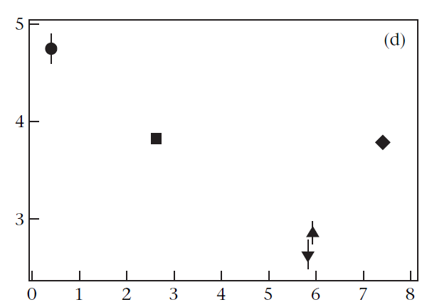
60 | 3.9182374662 | 10.704936823 | 7.4801848756 | 6.7266545948 | 6.3622832446
60 | 3.8613440366 | 11.094291068 | 8.8142032912 | 6.0831915552 | 7.5421142934
60 | 4.1991757699 | 10.054201838 | 7.8428405172 | 5.9536901588 | 6.7551628097
60 | 4.0717191733 | 10.608801273 | 8.3880810383 | 6.1662055552 | 7.0355221163
60 | 4.1357403564 | 9.8245224919 | 7.9785135432 | 6.0919642772 | 7.4186166764
mean | 4.0372433605 | 10.457350699 | 8.1007646531 | 6.2043412282 | 7.0227398281
ste | 0.064115255632 | 0.22944822319 | 0.2300146571 | 0.13498099191 | 0.21615180552

80 | 3.4345920376 | 11.770033707 | 9.4947901874 | 6.49075197 | 8.7165256459 | cd_small | 1
80 | 4.0898476856 | 11.387726911 | 9.5448852652 | 6.4719882671 | 8.2570906703 | cd_medium | 3.5
80 | 3.3763998962 | 10.45583508 | 9.956547735 | 6.9071151449 | 8.1233843182 | cd_large | 5 | y coordinate
80 | 3.9086693919 | 11.60251145 | 9.8566188553 | 7.3923742961 | 8.3344010159 | cd_prepupae | 2
80 | 3.5604694613 | 9.5909995399 | 9.3782820574 | 7.4488637512 | 8.0573660307 | cd_pupae | 2.5
mean | 3.6739956945 | 10.961421337 | 9.6462248201 | 6.9422186859 | 8.2977535362
ste | 0.13906297108 | 0.41111192547 | 0.11080646169 | 0.21041630124 | 0.11544638654

100 | 3.270449171 | 11.118878905 | 11.059717307 | 6.5642793092 | 8.7154936792
100 | 3.8410447042 | 11.857016162 | 10.580710587 | 6.0013792721 | 8.2191416701
100 | 4.3262662614 | 11.259358422 | 11.514844679 | 6.6573046336 | 7.5487361141
100 | 3.7335816997 | 10.922252346 | 10.823251344 | 6.2020202119 | 8.6881146652
100 | 3.7642880399 | 10.713742917 | 11.416793097 | 6.2485704113 | 7.5129381058
mean | 3.7871259752 | 11.17424975 | 11.079063403 | 6.3347107676 | 8.1368848469 |  |  |  | weight
ste | 0.16791708641 | 0.19391346334 | 0.17580333856 | 0.12101763264 | 0.26273914306

